pins
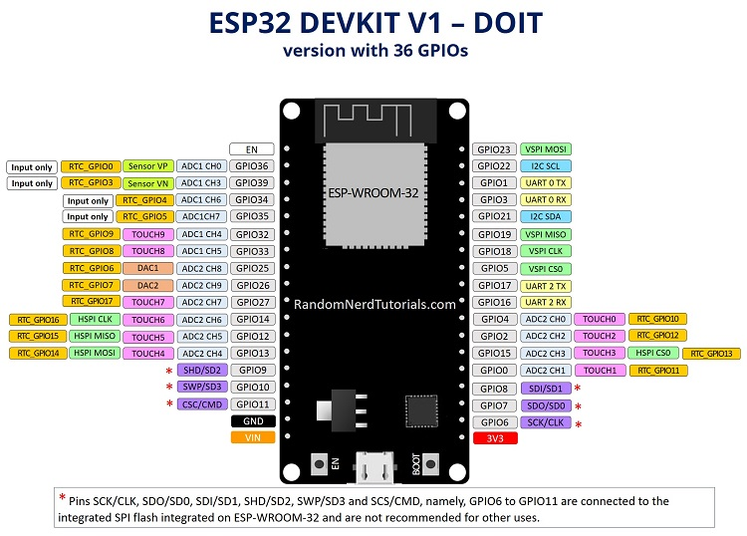

GPIO | Input | Output | Notes
GPIO00 | pulled up | OK | outputs PWM signal at boot
GPIO01 | TX pin | OK | debug output at boot | inp | out |  |  |  |  | inp | out
GPIO02 | OK | OK | connected to on-board LED |  |  | EN |  |  | GPIO23 | OK | OK
GPIO03 | OK | RX pin | HIGH at boot | OK | - | GPIO36 |  |  | GPIO22 | OK | OK
GPIO04 | OK | OK |  | OK | - | GPIO39 |  |  | GPIO01 | TX pin | OK
GPIO05 | OK | OK | outputs PWM signal at boot | OK | - | GPIO34 |  |  | GPIO03 | OK | RX pin
GPIO06 | x | x | connected to the integrated SPI flash | OK | - | GPIO35 |  |  | GPIO21 | OK | OK
GPIO07 | x | x | connected to the integrated SPI flash | OK | OK | GPIO32 |  |  | GPIO19 | OK | OK
GPIO08 | x | x | connected to the integrated SPI flash | OK | OK | GPIO33 |  |  | GPIO18 | OK | OK
GPIO09 | x | x | connected to the integrated SPI flash | OK | OK | GPIO25 |  |  | GPIO05 | OK | OK
GPIO10 | x | x | connected to the integrated SPI flash | OK | OK | GPIO26 |  |  | GPIO17 | OK | OK
GPIO11 | x | x | connected to the integrated SPI flash | OK | OK | GPIO27 |  |  | GPIO16 | OK | OK
GPIO12 | OK | OK | boot fail if pulled high | OK | OK | GPIO14 |  |  | GPIO04 | OK | OK
GPIO13 | OK | OK |  | OK | OK | GPIO12 |  |  | GPIO02 | OK | OK
GPIO14 | OK | OK | outputs PWM signal at boot | OK | OK | GPIO13 |  |  | GPIO15 | OK | OK
GPIO15 | OK | OK | outputs PWM signal at boot | x | x | GPIO09 |  |  | GPIO00 | pulled up | OK
GPIO16 | OK | OK |  | x | x | GPIO10 |  |  | GPIO08 | x | x
GPIO17 | OK | OK |  | x | x | GPIO11 |  |  | GPIO07 | x | x
GPIO18 | OK | OK |  |  |  | GND |  |  | GPIO06 | x | x
GPIO19 | OK | OK |  |  |  | VIN |  |  | 3v3
GPIO21 | OK | OK |  |  |  |  | USB
GPIO22 | OK | OK
GPIO23 | OK | OK
GPIO25 | OK | OK |  |  |  |  |  | 5
GPIO26 | OK | OK |  |  |  |  |  | 6
GPIO27 | OK | OK
GPIO32 | OK | OK
GPIO33 | OK | OK
GPIO34 | OK | - | input only
GPIO35 | OK | - | input only
GPIO36 | OK | - | input only
GPIO39 | OK | - | input only

